(1)Web -Overview
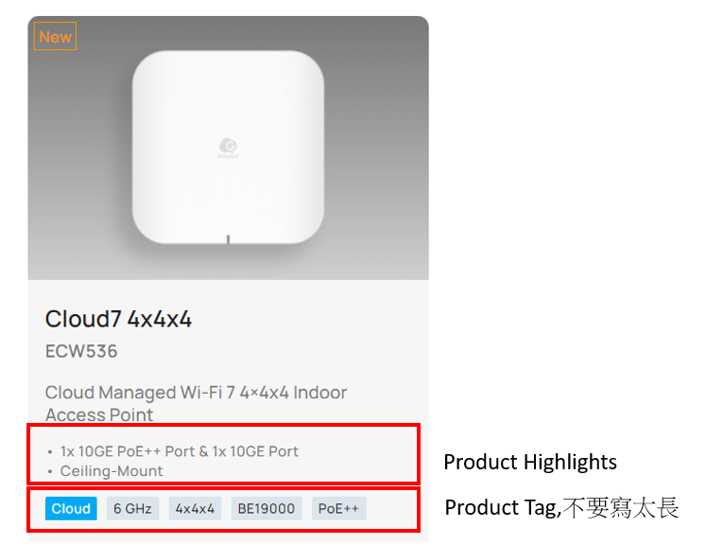
 | Cam5MP Dome IP67 | Cam5MP Bullet IP66 | Cam8MP Dome IP67 | Vivotek Cam5MP Turret | Vivotek Cam5MP Motorized Dome | Vivotek Cam5MP Bullet | Vivotek Cam5MP Motorized Bullet
Model # | ECC100 | ECC120 | ECC500 | VIT9383HVW | VFD9383HTV | VIB9383HV | VIB9383HTV
Model Description | Cloud Managed AI Outdoor Dome with 256GB Storage | Cloud Managed AI Outdoor Bullet with 256GB Storage | Cloud Managed 4K AI Outdoor Dome with 512GB Storage | Cloud Managed AI Outdoor Turret (Vivotek) with 256GB Storage | Cloud Managed AI Outdoor Motorized Dome (Viviotek) with 256GB Storage | Cloud Managed AI Outdoor Bullet (Vivotek) with 256GB Storage | Cloud Managed AI Outdoor Motorized Bullet (Vivotek) with 256GB Storage
Overview (PM寫一段描述) | EnGenius camera is easy to scale and managed by cloud for remote monitor anywhere. No NVR is needed which saves cost and effects of maintenance on multiple sites of SMB. For privacy concern, camera has durable 256GB storage for recordings on prem. Combining with built-in AI detection by camera itself, unusual people and vehicle can be detected and alert can be sent immediately. History footage search for 24 hours is reduced to 2 miutes by AI search and share video clip URL easily. | EnGenius camera is easy to scale and managed by cloud for remote monitor anywhere. No NVR is needed which saves cost and effects of maintenance on multiple sites of SMB. For privacy concern, camera has durable 256GB storage for recordings on prem. Combining with built-in AI detection by camera itself, unusual people and vehicle can be detected and alert can be sent immediately. History footage search for 24 hours is reduced to 2 miutes by AI search and share video clip URL easily. | EnGenius 4K camera is easy to scale and managed by cloud for remote monitor anywhere. No NVR is needed which saves cost and effects of maintenance on multiple sites of SMB. For privacy concern, camera has durable 512GB storage for recordings on prem. Combining with built-in AI-powered facial recognition by camera itself, unusual person can be tracked and alert can be sent immediately. History footage search for 24 hours is reduced to 2 miutes by AI search and share video clip URL easily.
Single Overview (MKT rewrite around 50-70 words) | The EnGenius Cloud Camera Cam5MP Dome (ECC100) is a cloud-managed outdoor surveillance solution for SMBs seeking scalable security. It enables seamless remote monitoring via the cloud dashboard and mobile app. This camera includes 256GB of built-in storage for reliable HD video recording, reducing reliance on traditional NVRs. Enhanced with a 5MP Sony Starvis sensor with HDR, a 132° viewing angle, and a 20m IR range, it delivers clear imaging in all lighting conditions. IP67 and IK10-rated, it is built to withstand harsh environments. Advanced AI technology detects unusual people and vehicles in real time, triggering instant alerts and enabling AI-powered searches to reduce footage review time from hours to minutes. | The EnGenius Cloud Camera Cam5MP Bullet (ECC120) is a cloud-managed outdoor surveillance solution for SMBs seeking scalable security. It enables seamless remote monitoring via the cloud dashboard and mobile app. This camera includes 256GB of built-in storage for reliable HD video recording, reducing reliance on traditional NVRs. Enhanced with a 5MP Sony Starvis sensor with HDR and a 30m IR range, it delivers crystal-clear imaging in low-light conditions. Built for durability, it is IP66-rated for harsh environments. Advanced AI technology detects unusual people and vehicles in real time, triggering instant alerts and enabling AI-powered searches to reduce footage review time from hours to minutes. | The EnGenius Cloud Camera Cam8MP Dome (ECC500) is a cloud-managed surveillance solution for SMBs seeking scalable security. It enables seamless remote monitoring via the cloud dashboard and mobile app. This camera includes 512GB of built-in storage for secure 4K video recording, reducing reliance on traditional NVRs. Enhanced with an 8MP Sony Starvis sensor with HDR and an extended IR range, it delivers exceptional image clarity in all lighting conditions. IP67 and IK10-rated, it is built to withstand harsh environments. Advanced AI technology, including facial recognition, tracks unusual person in real time, triggering instant alerts and enabling AI-powered searches to reduce footage review time from hours to minutes.
Key Feature Lists (條列式功能) | * Cloud Dashboard Management and Mobile App monintoring anywhere * 5MP Sony Starvis sensor with HDR of crystal clear image quality day and night * Wide view angles 132° and long IR distance 20m fit a complicated environment * Camera durable 256GB storage for event and continuous recording 24x7 * IP67 and IK10 for tough weather and vandal-resistant * AI NPU of people and vehicle detection for instant alert, search, and statistics | * Cloud Dashboard Management and Mobile App monitoring anywhere * 5MP Sony Starvis sensor with HDR of crystal clear image quality day and night * 3DNR and long IR distance of 30m of excellent night vision * Camera durable 256GB storage for event and continuous recording 24x7 * IP66 and working -20°C ~ 50°C / -4°F ~ 122°F for tough weather conditions * AI NPU of people and vehicle detection for instant alert, search, and statistics | * Cloud Dashboard Management and Mobile App monitoring anywhere * 4K Sony Starvis sensor with HDR 120db of crystal clear image quality day and night * 3X motorized optical zoom controllable remotely without missing any details * Camera durable 512GB storage for event and continuous recording 24x7 * IP67, IK10, and working -40°C ~ 60°C / -40°F ~ 140°F for tough weather and vandal resistant * Multi TOPS AI NPU of facial recognition for instant alert, search, and statistics * AES-256 encryption ensures microSD recordings remain protected and unplayable on other platforms
Product Highlights (請PM寫兩點) (Product card item) | * 132° ultra wild FoV * HDR with SONY Starvis sensor | * Working temperature -20°C ~ 50°C / -4°F ~ 122°F * HDR with SONY Starvis sensor | * 3X optical zoom lens * Multi TOPS AI NPU | * White light * HDR 120db with SONY Starvis II sensor | * 4X optical motorized lens * HDR 120db with SONY Starvis II sensor | * IK10 * HDR 120db with SONY Starvis II sensor | * 4X optical motorized lens * HDR 120db with SONY Starvis II sensor
Product List Tag (請PM填3~4個即可) (勾選 for products list page) | 5MP, NPU, 256GB, IP67, IK10 | 5MP, NPU, 256GB, IP66, IR 30m | 4K UHD, 512GB, IP67, IK10 | 5MP, NPU, 256GB, IP66, IR 30m | 5MP, NPU, 256GB, IP66, IR 30m | 5MP, NPU, 256GB, IP66, IR 30m | 5MP, NPU, 256GB, IP66, IR 30m

